ADD
ID | Description | Type | PreCondition | Steps | Priorty | Severity | Created by | Assigned to | Expected Result | Actual Result | Attachment | Date | TC Related | Status
BUG-ADD-001 | the Home page will be refreshed and a message appears "Error: Content is empty" when user try to add empty article | Functional | 1-user should have a browser to navigate to signup page. 2-User should have xampp and it's control panel 3- user should have the database on the phpmyadmin (reach it through xampp control panel) 4- open the apache server and sql server 5- user should login using his valid account | 1- User click on Text Input Field Labelled by “What do you want to share? 2-He chooses technology category and clicks on Article button. 3- he writes nothing in the text input field and click on the add button. | Low | minior | Mazrouaa | Mazrouaa | 1- a pop up window will show up where he will find drop down list (to choose the category) , Article button and Upload button. 2-a Text input Field and add button will appear. 3-the Home page will be refreshed and a message appears "Error: Content is empty". | 1- a pop up window will show up where he will find drop down list (to choose the category) , Article button and Upload button. 2-a Text input Field and add button will appear. 3-the Home page disappeared and a message appears "Error: Content is empty". | 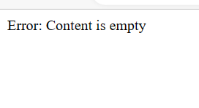 | 2023-05-21 | TC_LearningHub_Add_016 | Fixed

AddUser
ID | Description | Type | PreCondition | Steps | Priorty | Severity | Created by | Assigned to | Expected Result | Actual Result | Attachment | Date | TC Related | Status
BUG-AddUser-001 | The admin can add users with invalid email format | Functional | 1-user should have a browser to navigate to signup page. 2-User should have xampp and it's control panel 3- user should have the database on the phpmyadmin (reach it through xampp control panel) 4- open the apache server and sql server 5- Admin is logged in and navigated to the add user page (from navigation bar select profile from the dropdown list and then click add user) | admin should enter Username: "tester", Email: "testuser1@example", Password: "Abc123@", Confirm Password: "Abc123@"and choose Role: User | medium | minor | M.Tarek | Mazrouaa | A validation error message should be displayed saying "Username must not contain Numbers" and the user is not added to the database. | User data is added successfully to the database |  | 22/5/2223 | TC_LearningHub_adduser_005 | Assigned
BUG-AddUser-002 | a edit profile pictrue button is a exist and a circle contaning text "200x200" and the admin name with his role is displayed | Functional | 1-user should have a browser to navigate to signup page. 2-User should have xampp and it's control panel 3- user should have the database on the phpmyadmin (reach it through xampp control panel) 4- open the apache server and sql server | 1-enter admin credientials 2- from the navigation bar elect pofile form the dropdown list then click add user | medium | minor | M.Tarek | Mazrouaa | The add user page should not conatians the logged admin details and the edit profile picture button should not be exist | The add user page conatians the logged admin details and the edit profile picture button is exist | 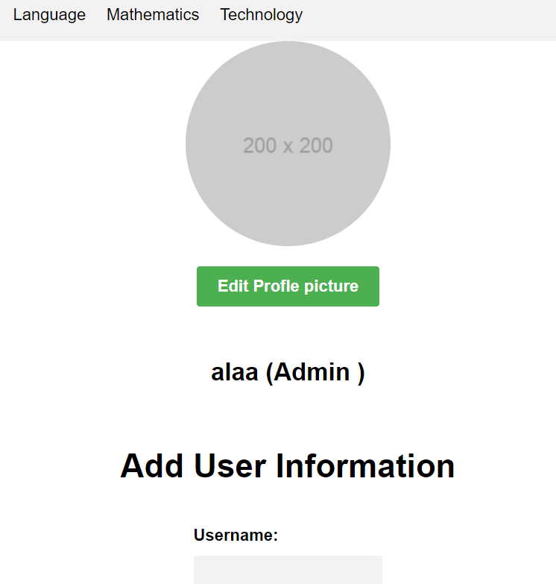 | 22/5/2223 |  | Assigned

